Sheet1
DATE | INV NO. | DESCRIPTIONS | QTY | BILLS | UNIT PRICE | SUB TOTAL | TOTAL
3-Oct-2025 | SPNO2510033 | Havana Club Anejo 3 Anos 700ml | 3 | 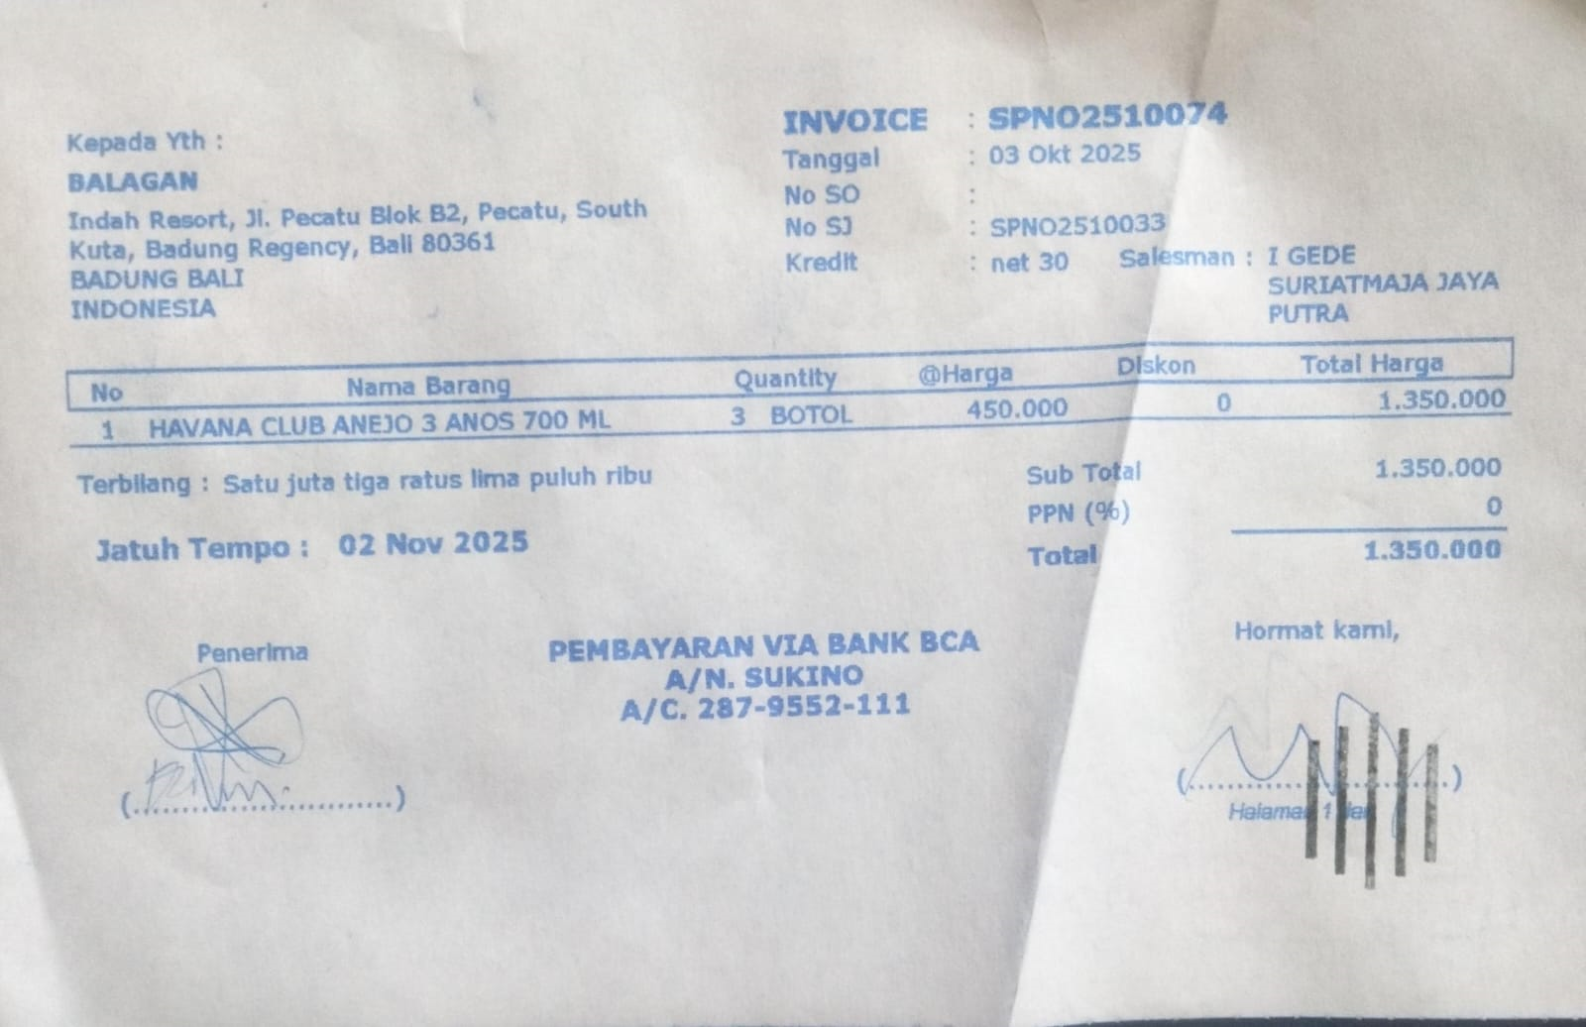 | IDR 450,000 | IDR 1,350,000 | IDR 1,350,000
3-Oct-2025 | SPNO2510089 | Jim Beam Black 700ml | 3 | 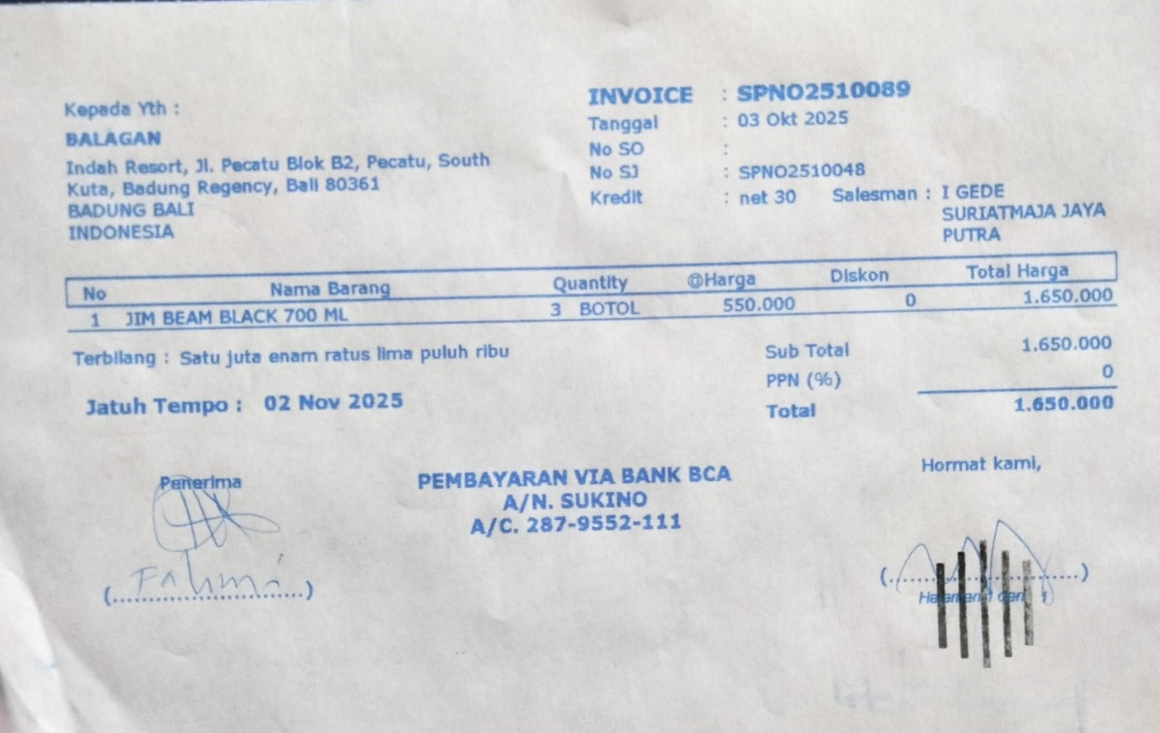 | IDR 550,000 | IDR 1,650,000 | IDR 1,650,000
4-Oct-2025 | SPNO2510131 | Grey Goose Vodka 700ml | 2 | 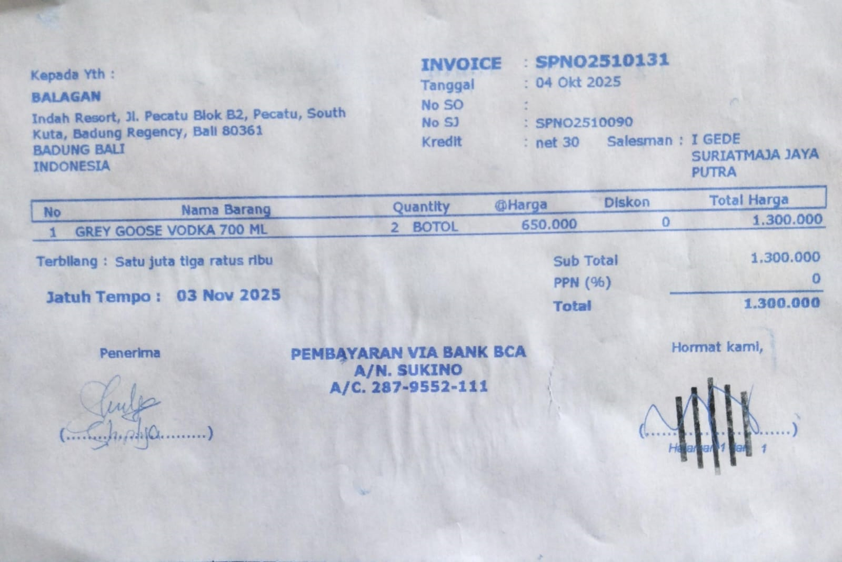 | IDR 650,000 | IDR 1,300,000 | IDR 1,300,000
6-Oct-2025 | SPNO2510146 | Jose Cuervo Gold | 2 | 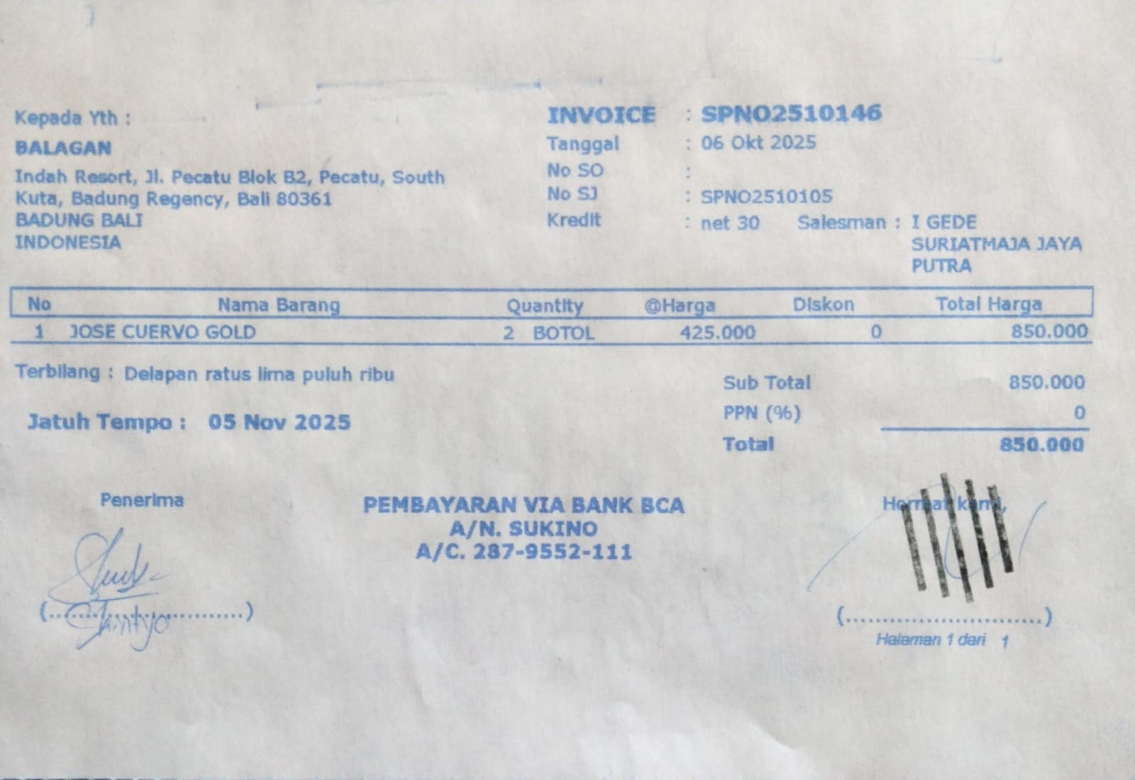 | IDR 425,000 | IDR 850,000 | IDR 850,000
10-Oct-2025 | SPNO2510162 | Grey Goose Vodka 700ml | 2 | 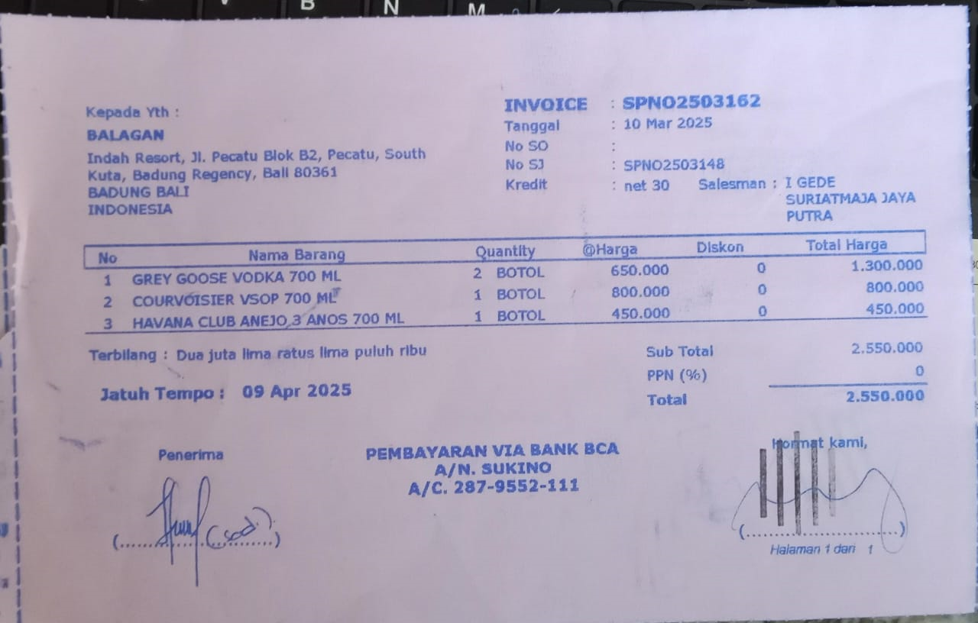 | IDR 650,000 | IDR 1,300,000 | IDR 2,550,000
 |  | Courvoiser 700ml | 1 |  | IDR 800,000 | IDR 800,000
 |  | Havana Club Anejo 3 Anos 700ml | 1 |  | IDR 450,000 | IDR 450,000
17-Oct-2025 | SPNO2510392 | Havana Club Anejo 3 Anos 700ml | 3 | 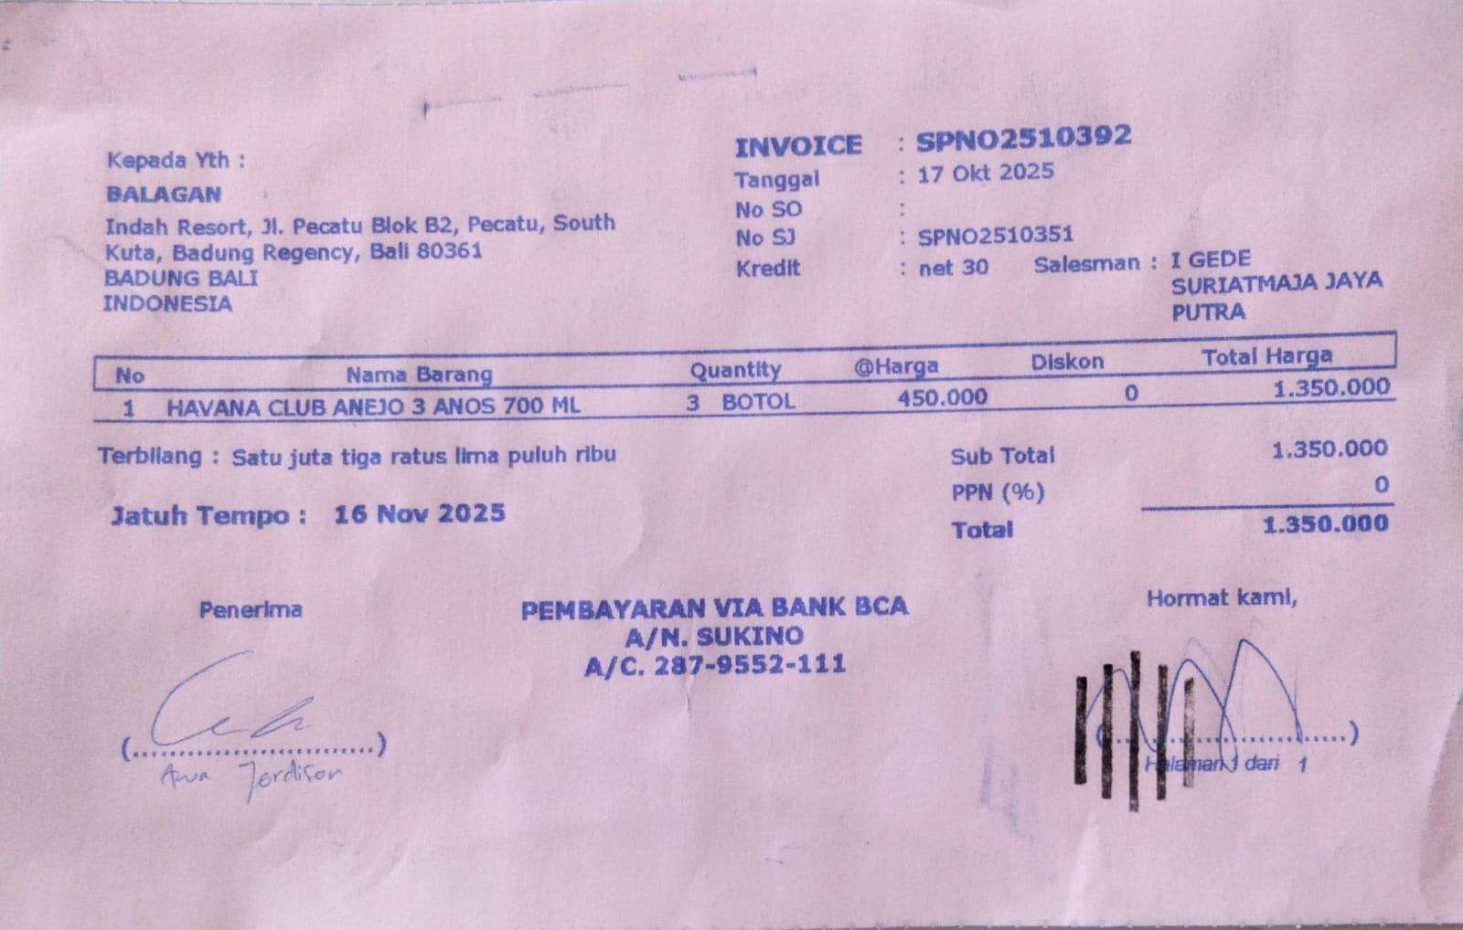 | IDR 450,000 | IDR 1,350,000 | IDR 1,350,000
28-Oct-2025 | SPNO2510597 | Baileys | 2 | 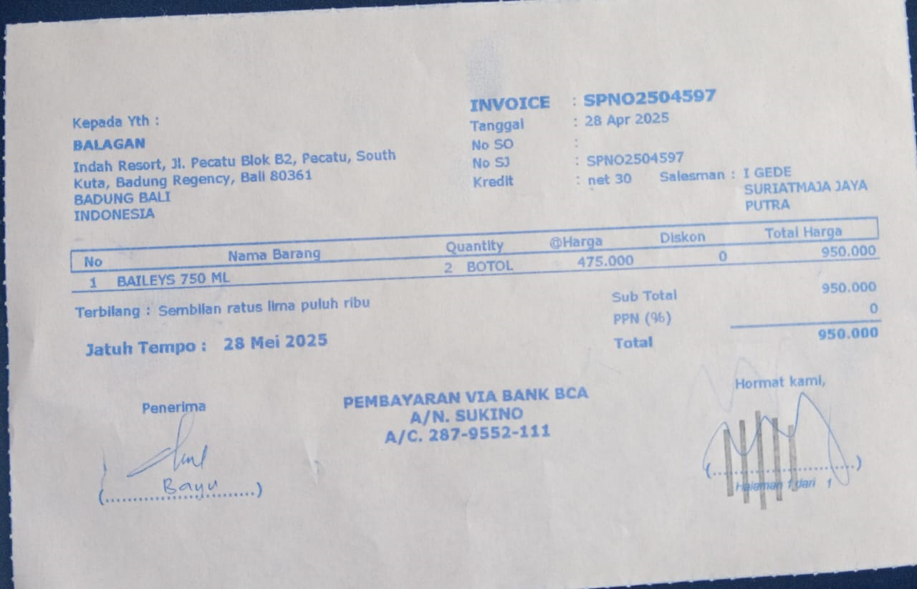 | IDR 475,000 | IDR 950,000 | IDR 950,000
 |  |  |  |  |  |  | Rp10,000,000

